Introduction
ESG Databook
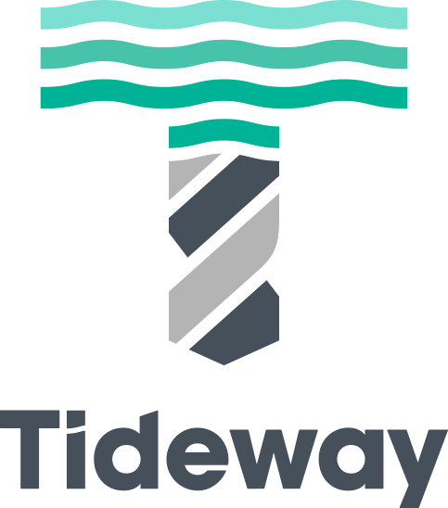
 |  | Useful Links

 | 24-25 Annual Report |  | 23-24 Sustainability Report | 2025 Sustainable Finance Framework
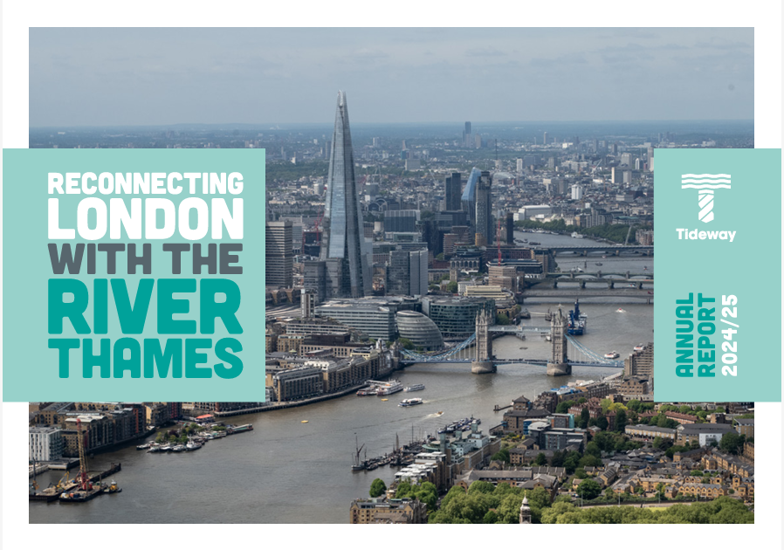
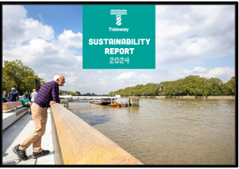
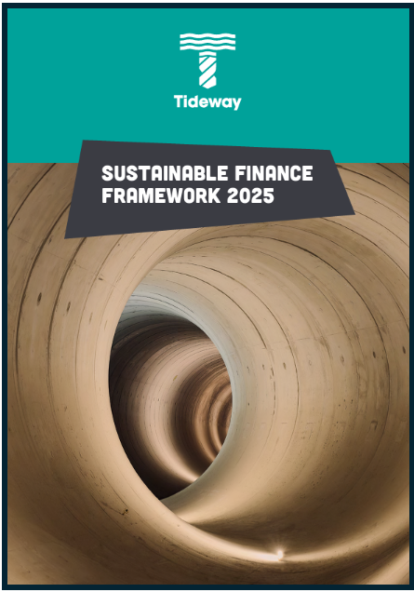

Introduction
Bazalgette Tunnel Ltd, trading as Tideway, is the company financing, building and maintaining the Thames Tideway Tunnel, London's ‘super sewer’. Tideway, and its financing associate Bazalgette Finance plc, raise debt to support the financing and/or refinancing of assets and expenditures associated with the business. This databook provides a structured overview of the environmental, social, and governance (ESG) performance and policies of the company and the project. It also outlines our legacy commitments, our progress in delivering them and how they align to the United Nations Sustainable Development Goals (UN SDGs).

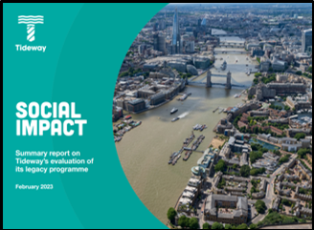
 | Legacy Programme Social Impact Report |  | Legacy Statement | Our Community Investment
The project is in its final stages – the final connections between the existing network and the 25km tunnel were made in February 2025, bringing the entire system online ahead of storm testing – and the company will continue to own and maintain the asset, with Thames Water managing its operation as part of its wider network. The project makes a long-term, direct contribution to SDG 6 (Clean Water and Sanitation) and SDG 11 (Sustainable Cities), as these will have a lasting impact in London.

Data for the last four reporting (financial) years - for prior years, please refer to the Tideway website or contact us - has been included in this document, plus cumulative data for the project to date where applicable. As activities on the project have reduced, the amount of associated ESG data has also reduced. Data for financial year 24/25 onwards is being published annually, and this databook will be updated in line with our annual corporate reporting. Where reporting on a specific activity has ceased, we have indicated this in the notes on the relevant line within the ESG metrics tab.

Planning permission obtained
Construction contracts awarded
Hand over tunnel operation to Thames Water
Construction Phase
Commissioning Phase
Acceptance Phase
2014
2015
2016
2024
2025
2027
For any further queries or clarifications please contact: investor.relations@tideway.london |  |  | Project Timeline

Table of contents
Introduction
Environment Metrics
Social Metrics
Governance Metrics
ESG Policies, Statements, Goals
Legacy Commitments
Sustainable Debt
ESG Highlights and Awards
UK Corporate Governance Code Compliance
Ofwat Governance Principles Compliance

You can return to the Table of Contents from any tab by clicking the Tideway Logo

ESG Metrics
ESG Databook - Metrics

Metric | Unit | 2021-22 | 2022-23 | 2023-24 | 2024-25 | Project To Date (PTD)* | Source | Notes

Business Information
Revenue | £m | 72.9 | 86.7 | 106.5 | 128.1 | - | Annual Report 21-22 PP.30
 |  |  |  |  |  |  | Annual Report 22-23 PP.25
 |  |  |  |  |  |  | Annual Report 23-24 PP.26
 |  |  |  |  |  |  | Annual Report 24-25 PP.26
Regulatory Capital Value (RCV) | £m | 3,691.6 | 4,576.9 | 5,029.9 | 5,333.0 | - | Annual Report 21-22 PP.30 | RCV is per the Common Terms Agreement (CTA) definition, not the Regulatory Accounts Definition
 |  |  |  |  |  |  | Annual Report 22-23 PP.25
 |  |  |  |  |  |  | Annual Report 23-24 PP.26
 |  |  |  |  |  |  | Annual Report 24-25 PP.26

Environment
GHG emissions
Scope 1 (Operational) | tCO2e | - | - | - | - | 0 | Sustainability Report 21-22 PP.11 | Tideway will not have Scope 1 emissions. See notes under Scope 2 and 3.
 |  |  |  |  |  |  | Sustainability Report 22-23 PP.23
 |  |  |  |  |  |  | Sustainability Report 23-24 PP.15
 |  |  |  |  |  |  | Annual Report 24-25 PP.15
Scope 2 (Indirect) | tCO2e | 49.4 | 40.4 | 58.0 | 21.0 | 542.0 | Sustainability Report 21-22 PP.11 | Tideway’s Scope 2 emissions are from grid electricity used by Tideway (Bazalgette Tunnel Ltd) controlled offices at the Cottons Centre (until December 2023), Camelford House (until June 2024), and Blue Fin (from January 2024). For PTD data, see 24-25 Annual Report.
 |  |  |  |  |  |  | Sustainability Report 22-23 PP.23
 |  |  |  |  |  |  | Sustainability Report 23-24 PP.15
 |  |  |  |  |  |  | Annual Report 24-25 PP.15
Scope 3 (Embedded) | tCO2e | 143,000 | - | 34,434 | 35 | 553,660 | Sustainability Report 21-22 PP.11 | Scope 3 data up to 2023/24 reflects the project's main constuction phase. For 2024/25 it covers the commissioning phase, based on energy from permanent above-ground assets. Note that the Scope 3 total for 2022-23 was reported in our annual reporting as a project to date figure because the verification process assured project to date data. For more information about 2022/23 data, please contact Tideway. For further information on Scope 3 emissions, see the Statement in the Policies, Statements and Goals tab.
 |  |  |  |  |  |  | Sustainability Report 22-23 PP.23
 |  |  |  |  |  |  | Sustainability Report 23-24 PP.15
 |  |  |  |  |  |  | Annual Report 24-25 PP.15
Externally verified | Yes/No | No | No | Yes | No | Yes (construction phase) | Sustainability Report 23-24 PP.70 | In 2022-23 and 2023-24 xtonnes™ undertook a critical review of our scope 3 (embedded) emissions reporting, for the project to date, in accordance with the Greenhouse Gas Protocol guidance on verification and interactive critical reviews. The process did not uncover any material issues.
 |  |  |  |  |  |  | Sustainability Report 22-23 PP.50
Waste (construction and demolition)
Hazardous | tonnes | - | - | - | - | 29,061 | Sustainability Report 23-24 PP.62 | Annual reporting of waste data completed in 2023/24. A final project figure will be reported in 2025/26 reporting.
Non-hazardous | tonnes | 72,597 | 77,541 | 85,452 | - | 945,116 | Sustainability Report 23-24 PP.62 | Annual reporting of waste data completed in 2023/24. A final project figure will be reported in 2025/26 reporting.
Total waste diverted from landfill | tonnes | 71,393 | 77,464 | 84,390 | - | 905,863 | Sustainability Report 23-24 PP.62 | Annual reporting of waste data completed in 2023/24. A final project figure will be reported in 2025/26 reporting.
% diverted from landfill | % | 98% | 100% | 99% | - | 96% | Sustainability Report 23-24 PP.62 | Annual reporting of waste data completed in 2023/24. A final project figure will be reported in 2025/26 reporting.
Beneficial use of excavated material
Material arising | tonnes | 805,212 | 158,105 | - | - | 4,461,806 | Sustainability Report 23-24 PP.62 | Reporting on use of excavated material ended in 2022-23, with the end of tunnelling.
Material re-used | tonnes | 798,729 | 155,717 | - | - | 4,370,470 | Sustainability Report 23-24 PP.62 | Reporting on use of excavated material ended in 2022-23, with the end of tunnelling.
% beneficially re-used | % | 99% | 99% | - | - | 98% | Sustainability Report 23-24 PP.62 | Reporting on use of excavated material ended in 2022-23, with the end of tunnelling.
Responsible sourcing
Applicable materials | tonnes | 3,025,652 | 209,116 | 76,427 | - | 4,318,515 | Sustainability Report 23-24 PP.62 | Applicable materials are defined as timber, which has to be FSC certified; cement, aggregate, steel, which all need to be certified to BES6001 Very Good or above or equivalent standard. Reporting completed at the end of the main construction phase in 2023/24.
Applicable materials from responsible sources | tonnes | 3,034,780 | 207,515 | 75,911 | - | 4,313,933 | Sustainability Report 23-24 PP.62 | Reporting completed at the end of the main construction phase in 2023/24.
% responsibly sourced | % | 100% | 99% | 99% | - | 100% | Sustainability Report 23-24 PP.62 | Reporting completed at the end of the main construction phase in 2023/24.
River Transport Strategy data
Main tunnel excavated material transported by river (foreshore sites) | tonnes | 688,345 | 65,850 | 130,558 | - | 3.48 million tonnes (100%) | Sustainability Report 23-24 PP.63 | Reporting completed at the end of the main construction phase in 2023/24.
Total material transported by river | tonnes | 1,011,427 | 208,000 | 133,000 | 134,557 | 5,879,274 | Annual Report 21-22 PP.17
 |  |  |  |  |  |  | Annual Report 22-23 PP.17
 |  |  |  |  |  |  | Annual Report 23-24 PP.17
 |  |  |  |  |  |  | Annual Report 24-25 PP.15
Reduction in two-way lorry movements compared to 'all by road' | no. |  |  |  |  | 701,230 | Annual Report 23-24 PP.17
 |  |  |  |  |  |  | Annual Report 24-25 PP.15
Carbon reduction compared to 'all by road' | tCO2e |  |  |  |  | 24,694 | Annual Report 23-24 PP.17
 |  |  |  |  |  |  | Annual Report 24-25 PP.15
Water consumption
Total metered potable water consumption on site | m3 | 474,965 | 214,707 | 143,406 | - | 1,666,738 | Sustainability Report 23-24 PP.64 | Reporting ended with the substantive completion of construction in 2024.
Environmental incidents
Level 4 | no. | 31 | 13 | 13 | 2 | 233 | Sustainability Report 23-24 PP.63 | Near misses with significant potential of harm or damage or that may attract some level of regulatory action. Environmental incident that has been contained and has not harmed / damaged an environmental receptor.
 |  |  |  |  |  |  | Annual Report 24-25 PP15
Level 3 | no. | 25 | 10 | 6 | 3 | 185 | Sustainability Report 23-24 PP.63 | Environmental incidents that have caused minor harm or damage to an environmental receptor.
 |  |  |  |  |  |  | Annual Report 24-25 PP.15
Level 2 | no. | 1 | - | - | 2 | 17 | Sustainability Report 23-24 PP.63 | Environmental incidents that have, or may, cause significant harm or damage to an environmental receptor and/or attract a high likelihood of regulatory action.
...

ESG Policies, Statements, Goals
ESG Databook - Policies, Statements, Goals

Title/Description | (Yes/No) | Source | Notes

Policies |  |  | A summary of Tideway's policies are on the Key Policies page of the website
Anti-fraud, Corruption and Bribery Policy | Yes | Anti-fraud, Corruption and Bribery Policy
Anti-Money Laundering Policy | Yes | Anti-Money Laundering Policy
Bullying and Harrassment Policy | Yes | Internal
Carers Policy | Yes | Internal
Compliance and Assurance Policy | Yes | Internal
Conflicts of Interest Policy | Yes | Conflicts of Interest Policy
Corporate Responsibility and Sustainability Policy | Yes | Corporate Responsibility and Sustainability Policy | Contains sections on: Labour Rights, Freedom of Association, Diversity
...

Legacy Commitments
Tideway Legacy Commitments - (as of 31 March 25)
 |  |  | Legacy performance measure | 24-25 year | Project To Date
 |  |  | Total no of legacy commitments | 54 | 54
 |  |  | Total no of commitments live | 12 | 50
 |  |  | Total % of commitments achieved / on track | 100% (avg in year) | 92% (46 out of 50)
 |  |  | Total no of commitments closed out | 5 | 43

Legacy Theme | No. | Legacy Commitment | Target | Actual |  | Year complete | SDG Goals

Environment | 1 | Improve water quality by reducing CSO discharges into the river | Reduce no of discharges along tunnel route to c4 / year (based on a typical year) | Live 2025-26 |  | 2027-28
 |  |  | Reduce dissolved 02 levels <5mg/l at monitoring stations below Baseline Report level
 | 2 | Reduce sewage-related litter | Reduce amount of litter intercepted below Baseline Report level | Live 2025-26 |  | 2027-28
 | 3 | Provide infrastructure that supports more resilient biodiversity | Install (or donate) 40 bird/bat boxes | 48 |  | 2025-26
 |  |  | Install at least 753m2 of biodiverse roofs | 465m2
 |  |  | At least 2 in-river structures with ecological features | 2
 | 4 | Support research on River Thames ecology | Support at least 5 papers | 5 |  | 2021-22
...

ESG Highlights and Awards
Tideway's ESG Highlights and Awards

 | Delivering a lasting legacy | External recognition

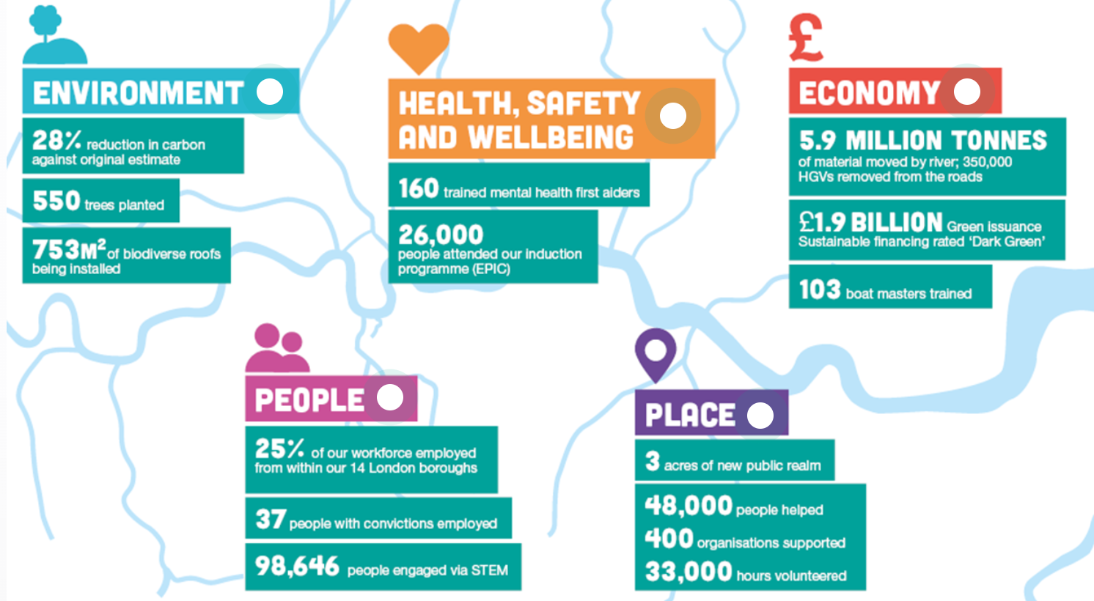
Here are some of the notable achievements of our legacy programme, as at 31 March 2025. |  | Tideway has been recognised with major awards for our project’s work to deliver major environmental and social benefits to London and for our Treasury team’s groundbreaking work in sustainable finance. Here are some of them:
You can read more detail in the Tideway website Impact section
 |  | 2024 British Construction Industry Awards – Winner, Environmental Project of the Year, Project of the Year
 |  | 2023 British Construction Industry Awards – Highly commended, Community Impact category
 |  | 2022 Sustainability Consulting Awards – Winner, International Sustainable Infrastructure Award
 |  | 2021 edie Sustainable Business Leaders Awards – Winner, Infrastructure Project of the Year
 |  | 2020 Global Good Awards – Winner, Company of the Year
 |  | 2019 Better Society Awards – Winner, Commitment to the Local Community Award
 |  | 2018 Evening Standard Business Awards – Winner, Corporate Citizen of the Year
 |  | 2017 New Civil Engineer Tunnelling Awards – Winner, Health, Safety and Wellbeing Initiative of the Year
 |  | Treasury Awards
 |  | 2021 Finance for the Future Awards - Finalist, Jeffrey Unerman award for Driving Change in the Finance Community
 |  | 2020 Treasury Management International - Winner, Top Corporate Treasury Team for CSR/ ESG
 |  | 2019 Finance for the Future Awards - Finalist, Communicating Integrated Thinking
 |  | 2019 Treasury4Good Awards - Winner, Best Corporate Sustainable Finance Solution, Best Corporate Clean and Green Treasury

Corporate Gov. Code Compliance
Corporate Governance Code compliance mapping and additional information

Principles (A - R) and Provisions (1 – 41) |  | Comply | For further information (all page references are to the Tideway Annual Report 2023/24):
 |  | Yes / No / Not Applicable

Section 1: Board Leadership and Company Purpose
A | A successful company is led by an effective an entrepreneurial board, whose role is to promote the long-term sustainable success of the company, generating value for shareholders and contributing to wider society. | Yes | Section 172 Statement page 32
 |  |  | The Role of the Board page 44
B | The board should establish the company’s purpose, values and strategy and satisfy itself that these and the culture are aligned. All directors must act with integrity, lead by example and promote the desired culture. | Yes | The Role of the Board and Board Activity pages 44-45 Our Vision, Purpose and Values page 6
 |  |  | Vision, Legacy & Reputation pages 18-19
C | The board should ensure that the necessary resources are in place for the company to meet its objectives and measure performance against them. The board should also establish a framework of prudent and effective controls, which enable risk to be assessed and managed. | Yes | The Role of the Board and Board Activity pages 44-45 Risk Management page 27
...

Ofwat Principles Compliance
Ofwat Principles Compliance mapping

Objectives and Provisions |  | Comply Yes / No / Not applicable | For further information (all page references are to the Tideway Annual Report 2022/23):
Objective 1: Purpose, Values and Culture |  | Yes | Board Activity pages 44-45
The regulated company board establishes the company’s purpose, strategy and values and is satisfied that these and its culture reflect the needs of all those it serves. |  |  | Our Vision, Purpose and Values page 6
i. | The board develops and promotes the company’s purpose in consultation with a wide range of stakeholders and reflecting its role as a provider of an essential public service. | Yes | Our Business Model page 11 Board Activity pages 44-45
ii. | The board makes sure that the company’s strategy, values and culture are consistent with its purpose. | Yes | Board Activity pages 44-45
 |  |  | Our Vision, Purpose and Values page 6
iii. | The board monitors and assesses values and culture to satisfy itself that behaviour throughout the business is aligned with the company’s purpose. | Yes | Board Activity pages 44-45
iv. | Companies’ annual reporting explains the board’s activities and any corrective action taken. It also includes an annual statement from the board focussing on how the company has set its aspirations and performed for all those it serves. | Yes | Our Strategy & Priorities for 2024/25 page 12 Board Activity pages 44-45
Objective 2: Standalone regulated company |  | Yes | Board Evaluation page 48
The regulated company has an effective board with full responsibility for all aspects of the regulated company’s business for the long term. |  |  | The Role of the Board page 44 Governance Standards page 46
...

